Introduction
G
L
W
B
T
C
S
C


Introduction

Health and social care professionals working at the level of advanced practice as defined in HEE's (2017) Multi-professional framework for advanced clinical practice in England are a growing part of the modern healthcare workforce, their growing contribution and value to patient care and pathways is recognised in health and social care policy (NHS, 2019). The roles undertaken by advanced practitioners vary from highly specialised to more generalist roles.
Advanced practice is underpinned by academic learning at level 7 that covers all the capabilities set out in HEE's (2017) Multi-professional framework for advanced clinical practice in England and that leads to the award of an advanced practice Master’s degree, or the demonstration of equivalent-level learning through the Centre for Advancing Practice’s ePortfolio (supported) Route. In addition, advanced practice is underpinned by an advanced level of clinical practice, with practitioners working at this level often undertaking roles and activities which extend beyond their root professional training and that have previously been synonymous with other healthcare professions. An absence of overt, separate professional regulation of advanced practice and guidance has contributed to variation and uncertainty in provider responsibilities for advanced practice governance. In this context, it is important to be clear about the shared responsibilities for upholding safe and effective patient care between individual advanced practitioners, employers, professional bodies, and statutory regulators. The term advanced practitioner is used as a consensus umbrella term to encompass the registrants from a wide range of multi-professional backgrounds who work in advanced practice roles, often with variable job role titles, for example (though not exclusively): advanced clinical practitioner; advanced nurse practitioner; advanced paramedic practitioner; advanced physiotherapist practitioner; or advanced pharmacist.

Dashboard
G
L
W
B
T
C
S
C
 |  |  |  |  |  |  |  |  |  | Organisation

 |  |  |  |  |  |  |  |  |  | Date

Summary

 | 50%
 | 0%
 | 50%
G
L
Overall |  |  |  |  |  |  |  |  | Area | Early progress | Substantial progress | Mature | Overall
 |  |  |  |  |  |  |  |  | Provider governance of advanced practice roles | 0% | 0% | 0% | 50% | 0% | 50%
 |  |  |  |  |  |  |  |  | Leadership at all levels | 0% | 0% | 0% | 50% | 0% | 50%
W
 |  |  |  |  |  |  |  |  | Building advanced roles into the workforce | 0% | 0% | 0% | 50% | 0% | 50%
B
 |  |  |  |  |  |  |  |  | Building advanced practice business cases and funding | 0% | 0% | 0% | 50% | 0% | 50%
T
 |  |  |  |  |  |  |  |  | Advanced practice training and assessment | 0% | 0% | 0% | 50% | 0% | 50%
C
Early progress |  |  | Substantial progress |  |  | Mature |  |  | Clinical practice | 0% | 0% | 0% | 50% | 0% | 50%
S
0% |  |  | 0% |  |  | 0% |  |  | Supervision | 0% | 0% | 0% | 50% | 0% | 50%
C
0 | / | 72 | 0 | / | 156 | 0 | / | 152 | Advanced practitioner continuing professional development (CPD) | 0% | 0% | 0% | 50% | 0% | 50%

Context
G
L
W
B
T
C
S
C

All practitioners working at advanced practice level are regulated health or social care professionals. As such, they are accountable to the relevant statutory regulatory body for their practice, and are required to limit their practice to what they can do safely and effectively within their scope of practice and capabilities at any one time.
The professional practice of staff working at an advanced practice level sits within the regulatory arrangements of their root profession, rather than outside these (Council for Healthcare Regulatory Excellence, 2009; Hardy, 2021).
It is the core role of the regulatory body to assure practitioners’ fitness to practise within their profession, whilst it is employers’ responsibility to ensure practitioners working in advanced practice roles have the capabilities required for the particular job role for which they are employed or deployed. Therefore, employers must have robust organisational governance and assurance arrangements in place to provide the most effective means of controlling for risks to patient safety that could arise from individual practitioners’ advanced practice.
The provider's role in supporting advanced practice governance is implicitly noted in regulation 12 and 18 of the Health and Social Care Act 2008:
Regulation 12 safe care and treatment and regulation: Providers must make sure that staff have the qualifications, competence, skills and experience to keep people safe and in regulation
Regulation 18 staffing: Staff must receive the support, training, professional development, supervision and appraisals that are necessary for them to carry out their duties.
Ensuring clear, robust governance and assurance for advanced practice roles can be a challenge for organisations, with consideration given to the structures and processes that need to be in place often only considered as an afterthought once roles have been introduced; this can lead to both practitioner and patient safety concerns.

Current Context of Advanced Practice Governance

Guide
Using the matrix

The matrix is designed as a workbook for the provider to annotate and develop as part of their local consultation and planning. Each section of the tool is made up of two areas: the criteria area and the notes area.

The notes page is where providers can keep a record of what is stopping implementation (barriers) and what you can do about it in the short, medium or long term
Providers should rate their extent of readiness, where black signifies there is no evidence and green signifies that the factor is fully embedded within the organisation (B)RAG
 | Black | No evidence this factor is not embedded
 | Red | Some evidence this criteria is embedded partially in the organisation
 | Amber | This criteria is nearly fully embedded in the organisation
 | Green | The criteria is fully embedded in the organisation

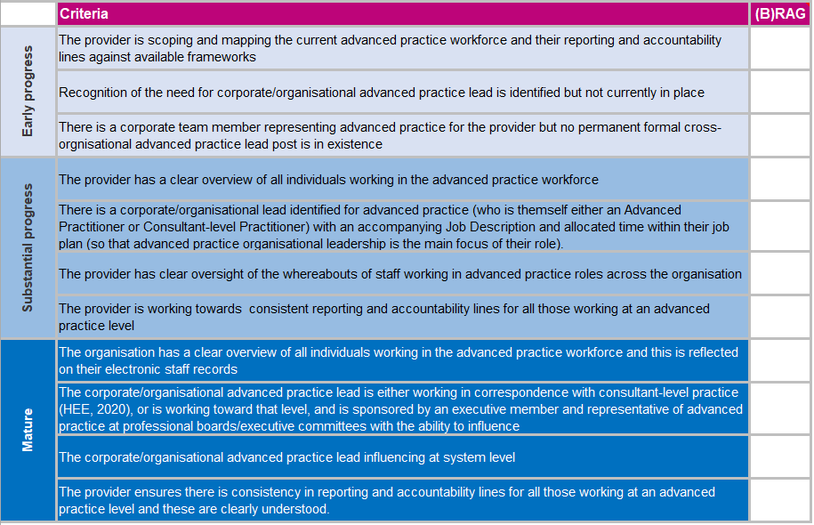

The level of maturity the criteria associated maps to

G
L
W
B
T
C
S
C

Return to main menu Move to a particlar section Move to the next section
W

Purpose
G
L
W
B
T
C
S
C




Purpose
This matrix is designed to support providers to put anticipatory governance arrangements in place, to keep their effectiveness under review, and to actively plan for strengthening arrangements to optimise how advanced practice roles contribute to workforce development and deployment, service delivery, and patient care.
The matrix is aimed to be utilised by those who lead or are influencing the advanced practice agenda. It is designed to foster discussion and constructive challenge, before a consensus on the current self-assessment and future aspirations can be reached. Importantly, a provider may not necessarily be at the same stage for each of the key elements identified.
The matrix represents 8 themes (Figure 1) each with their own set of associated aims and underpinning criteria representing the graduations of maturity an organisation may align to in regards to the governance within that theme. The themes are all inter-dependant of each other, so progress and benefits in one area is often dependant on progress in another. Once completed the results can be utilised to inform ongoing advanced practice strategic development within the provider.
Each theme gives examples of resources which could be utilised by a provider to help support their journey in implementing or further developing their advanced practice teams.
This is the first iteration of the maturity matrix and any feedback and suggestions on how to improve the content would be welcomed please email: advancepractice@hee.nhs.uk

 |  | Figure 1.

 | Click on any of the circle to be taken to the appropriate section of the matrix

Links
G
L
W
B
T
C
S
C

Links to citations

 | Health Education England (2017) Multi-professional framework for advanced clinical practice in England

 | Council for Healthcare Regulatory Excellence (2009) Advanced Practice: Report to the four UK Health Departments

 | Hardy, M. (2021) Advanced Practice: Research Report

 | Health and Social Care Act 2008

 | National Health Service (2019) The NHS Long Term Plan

 | Health Education England (2022) Advanced Practice Workplace Supervision: Minimum Standards for supervision

 | Health Educuation England (2021) Advancing practice: Signpost for Continuing Professional Development

Versions
G
L
W
B
T
C
S
C

Versions
Version | Date | Changes
1 | July 2022
2 | June 2023 | Branding up date

